Fig 1C
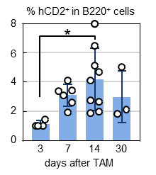
days | 3 | 7 | 14 | 30 | Figure 1c
 | 1.00 | 3.43 | 1.95 | 1.80
 | 1.00 | 4.11 | 5.11 | 2.10
 | 1.45 | 1.91 | 2.62 | 4.99
 | 0.99 | 2.59 | 7.97
 |  | 3.38 | 6.47
 |  | 3.05 | 4.09
 |  |  | 2.74
 |  |  | 4.66
 |  |  | 1.87

mean | 1.11 | 3.08 | 4.16 | 2.96
SD | 0.23 | 0.76 | 2.11 | 1.76

STATISTICS

ordinary one-way ANOVA
Tukey's multiple comparisons test

 | * | p=0.0223

Fig 1E
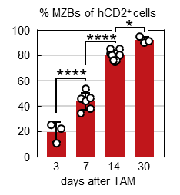
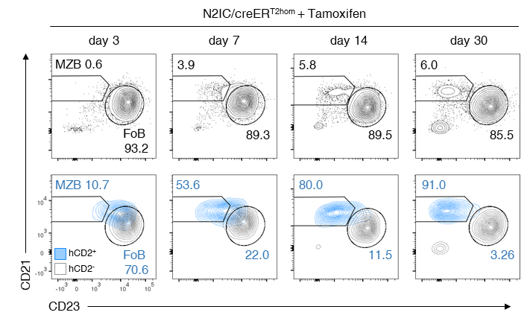
 |  |  |  |  |  | Figure 1e |  | Figure 1d
days | 3 | 7 | 14 | 30
 | 25.40 | 33.90 | 79.00 | 90.00
 | 21.80 | 38.10 | 85.00 | 91.00
 | 10.70 | 45.60 | 75.00 | 94.60
 |  | 43.80 | 80.00
 |  | 53.60 | 76.00
 |  | 46.00 | 81.10
 |  |  | 79.90
 |  |  | 85.20
 |  |  | 76.10

mean | 19.30 | 43.50 | 79.70 | 91.87
SD | 7.66 | 6.84 | 3.70 | 2.42

Numbers in red represent percentages in Figure 1d

STATISTICS

ordinary one-way ANOVA
Tukey's multiple comparisons test

 | 3 vs 7 |  | **** | p= | 0.0000302939 |  | 3.0293877E-05
 | 7 vs 14 |  | **** | p= | 0.0000000016 |  | 1.62E-09
 | 14 vs 30 |  | * | p= | 0.0143576935 |  | 0.014357693465

Fig 1G
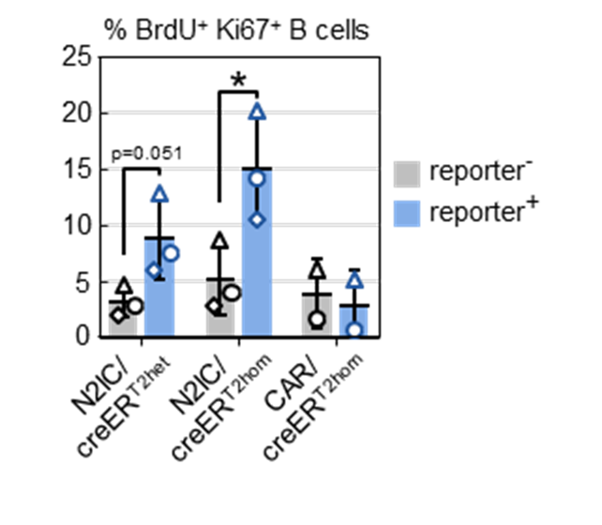
 | reporter- |  |  | mean | SD | p= | Figure 1g
N2IC/creERT2het | 4.66 | 1.99 | 2.84 | 3.16 | 1.36 | 0.0506
N2IC/creERT2hom | 8.65 | 3.99 | 2.78 | 5.14 | 3.10 | 0.0128
CAR/creERT2hom | 6.06 | 1.69 |  | 3.88 | 3.09

 | reporter+
N2IC/creERT2het | 12.9 | 5.98 | 7.51 | 8.80 | 3.64
N2IC/creERT2hom | 20.2 | 14.2 | 10.5 | 14.97 | 4.90
CAR/creERT2hom | 5.1 | 0.56 |  | 2.83 | 3.21

STATISTICS

within each genotype
paired t-tests
two-tailed
(each analysed mouse has a reporter negative
as well as a positive B cell fraction)

Fig 1H
 | hCD2- FoB |  |  | mean | SD | Figure 1h
N2IC/creERT2het | 1.83 | 1.33 | 2.3 | 1.82 | 0.49
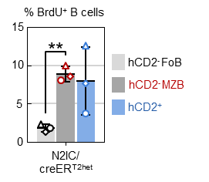
 | hCD2- MZB
N2IC/creERT2het | 8.1 | 8.55 | 9.98 | 8.88 | 0.98

 | hCD2+
N2IC/creERT2het | 3.72 | 7.62 | 12.6 | 7.98 | 4.45

STATISTICS

within each genotype
paired t-tests
two-tailed
(each analysed mouse has a reporter negative
as well as a positive B cell fraction)

FoB vs MZB |  | ** | p= | 0.0034

Fig 3D
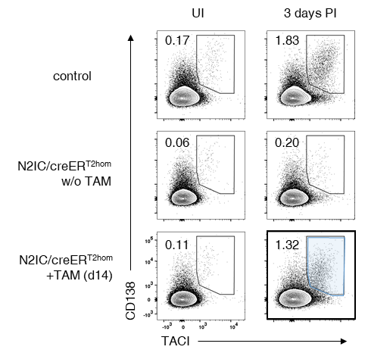
 | UI |  |  |  | mean | SD | Figure 3c
control | 0.17 | 0.24 | 0.28 | 0.15 | 0.21 | 0.06
N2IC/creERT2 w/o TAM | 0.06 | 0.17 | 0.046 | 0.09 | 0.09 | 0.06
N2IC/creERT2 + TAM | 0.11 | 0.3 | 0.22 | 0.22 | 0.21 | 0.08

 | LPS
control | 1.83 | 2.63 | 0.42 | 3.17 | 2.01 | 1.20
N2IC/creERT2 w/o TAM | 0.2 | 0.15 | 0.18 | 0.23 | 0.19 | 0.03
N2IC/creERT2 + TAM | 1.32 | 0.89 | 0.75 | 2.23 | 1.30 | 0.67

Numbers in red represent percentages in Figure 3c
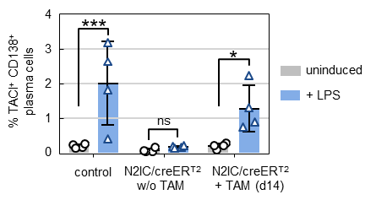
Figure 3d

STATISTICS

2way ANOVA
Sidak´s multiple comparisons test

ctrl UI vs LPS |  | *** | p= | 0.00080000 |  | 8.0E-04
N2IC w/o UI vs LPS |  | ns | p= | 0.99280000 |  | 9.9E-01
N2IC +TAM UI vs LPS |  | * | p= | 0.04030000 |  | 4.0E-02

Fig 3F
 | gating IRF4+ IgM+ |  |  |  |  |  | Figure 3f
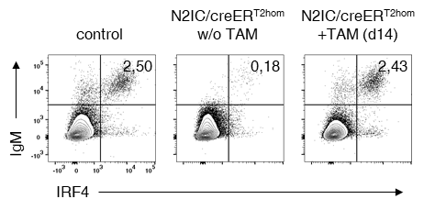
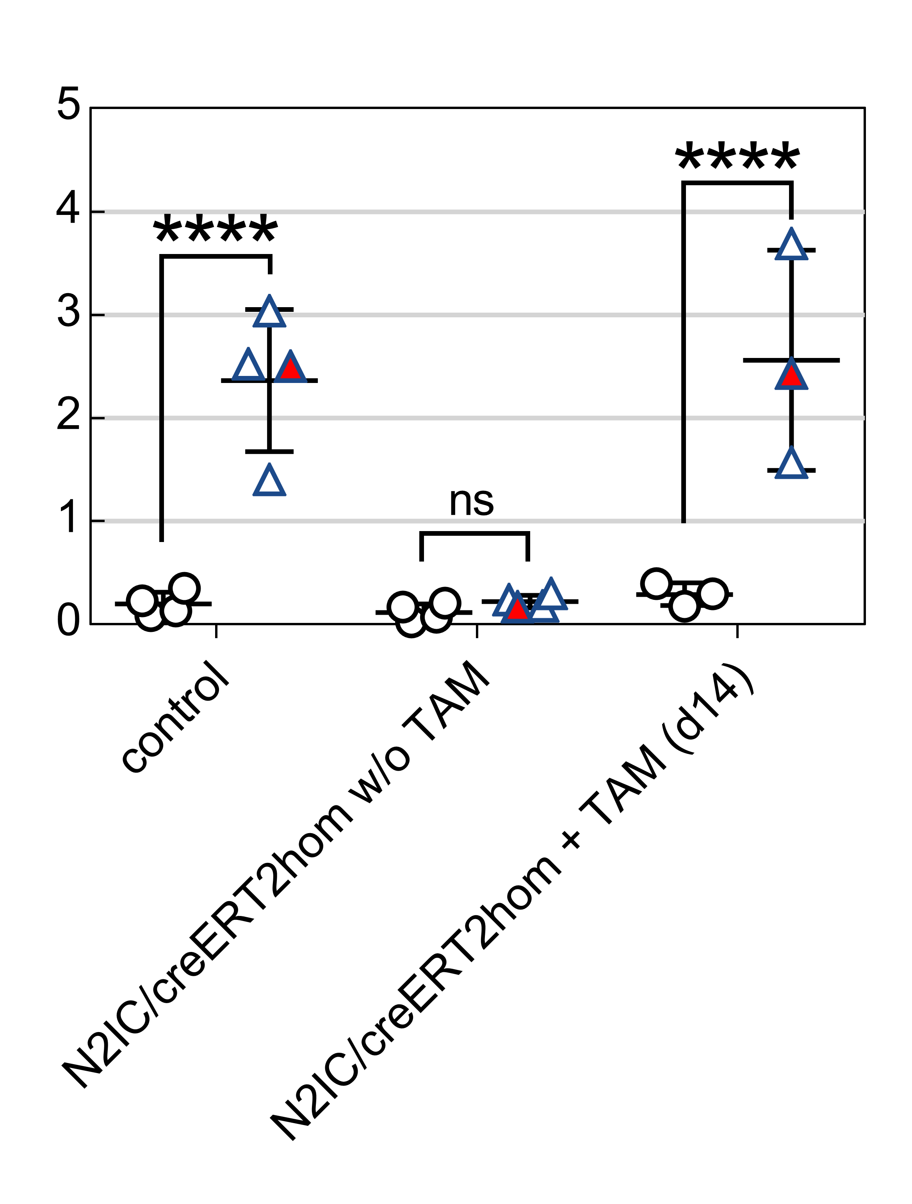
 | UI |  |  |  | mean | SD
 | exp. 1 |  | exp. 2
control | 0.09 | 0.13 | 0.23 | 0.35 | 0.20 | 0.12
N2IC/creERT2 w/o TAM | 0.03 | 0.07 | 0.17 | 0.21 | 0.12 | 0.08 |  | STATISTICS
N2IC/creERT2 + TAM | 0.18 | 0.40 | 0.30 |  | 0.29 | 0.11
 |  |  |  |  |  |  |  | 2way ANOVA
 | LPS |  |  |  |  |  |  | Sidak´s multiple comparisons test
 | exp. 1 |  | exp. 2
control | 2.52 | 2.5 | 1.4 | 3.04 | 2.37 | 0.69
N2IC/creERT2 w/o TAM | 0.24 | 0.18 | 0.3 | 0.17 | 0.22 | 0.06
N2IC/creERT2 + TAM | 1.57 | 2.43 | 3.69 |  | 2.56 | 1.07

 | Numbers in red represent percentages in Figure 3F
 | FACS machine problems while measurement of this sample and the following: too few cells (~600)

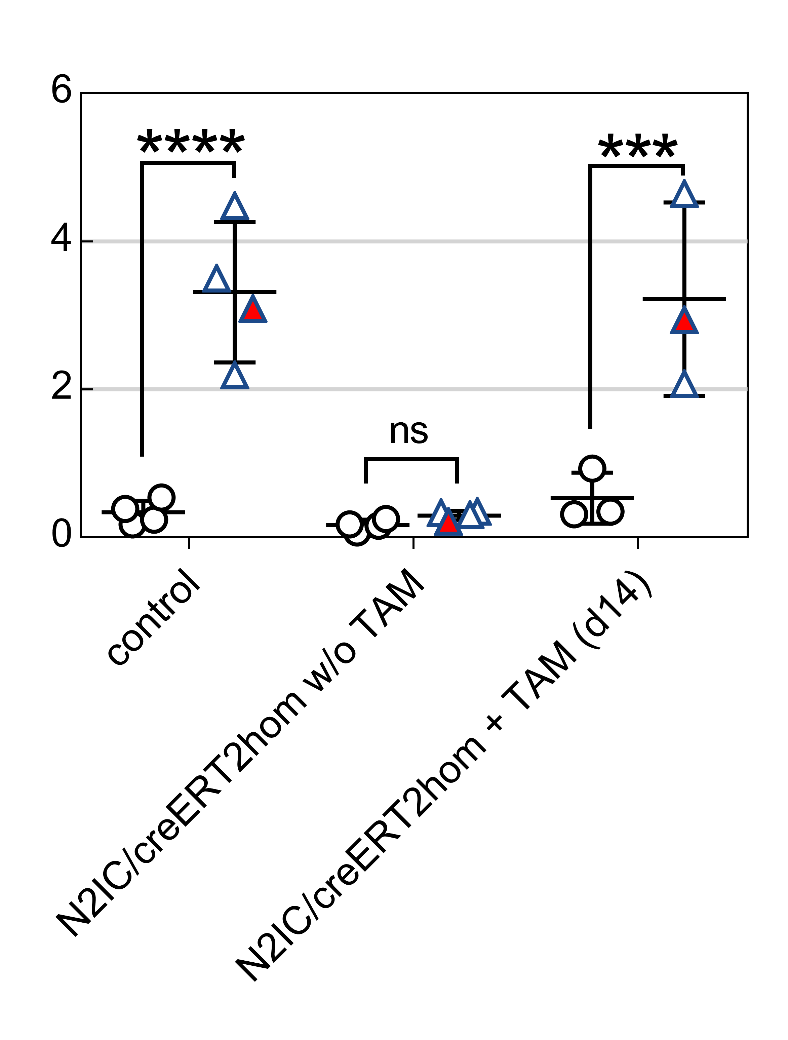
 | gating IgM+ IgG1- |  |  |  |  |  | Figure 3f
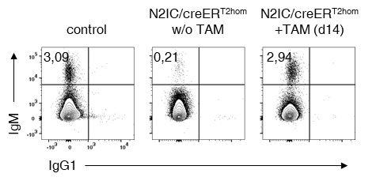
 | UI |  |  |  | mean | SD
 | exp. 1 |  | exp. 2
control | 0.18 | 0.24 | 0.39 | 0.54 | 0.34 | 0.16
N2IC/creERT2 w/o TAM | 0.07 | 0.16 | 0.25 | 0.18 | 0.16 | 0.08 |  | STATISTICS
N2IC/creERT2 + TAM | 0.31 | 0.93 | 0.35 |  | 0.53 | 0.35
 |  |  |  |  |  |  |  | 2way ANOVA
 | LPS |  |  |  |  |  |  | Sidak´s multiple comparisons test
 | exp. 1 |  | exp. 2
control | 3.50 | 3.09 | 2.19 | 4.48 | 3.32 | 0.95
N2IC/creERT2 w/o TAM | 0.33 | 0.21 | 0.35 | 0.3 | 0.30 | 0.06
N2IC/creERT2 + TAM | 2.07 | 2.94 | 4.64 |  | 3.22 | 1.31

 | Numbers in red represent percentages in Figure 3F
 | FACS machine problems while measurement of this sample and the following: too few cells (~600)

Fig 6B
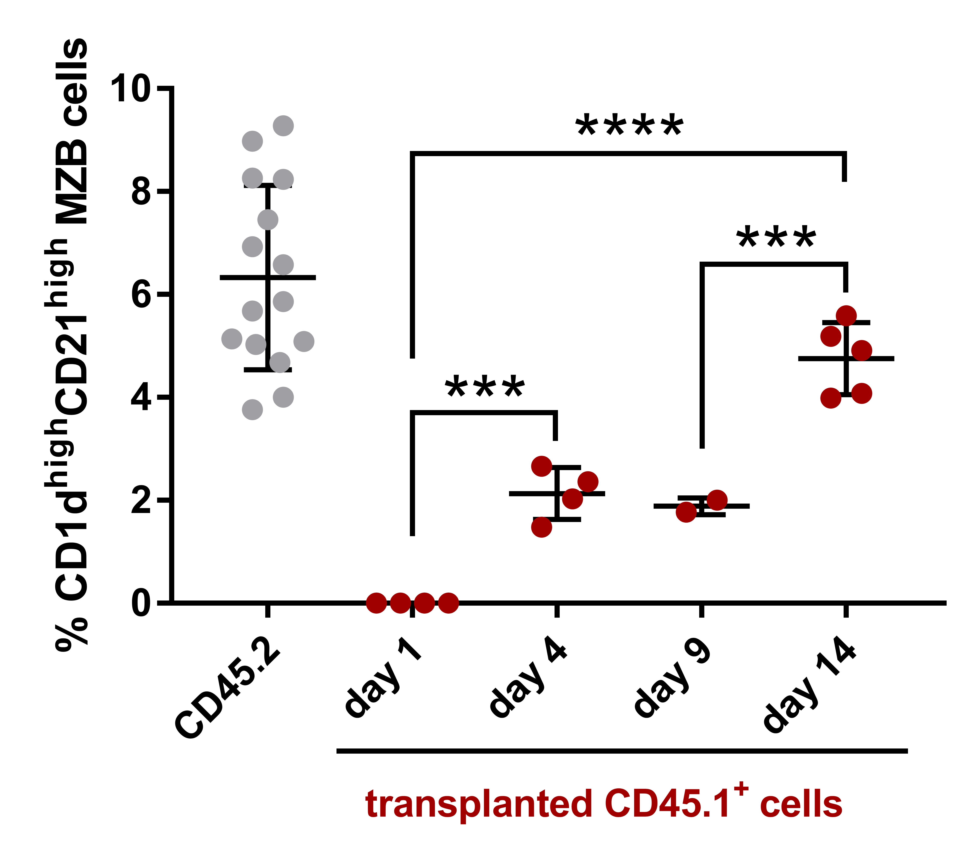
 | CD45.2 | CD45.1
 |  | day 1 | day 4 | day 9 | day 14
 | 5.03 | 0 | 2.64 | 1.77 | 5.59
 | 5.86 | 0 | 2.36 | 2.04 | 4.93
 | 4.66 | 0 | 1.92 |  | 3.86
 | 3.75 | 0 | 1.48 |  | 5.03
 | 5.1 |  |  |  | 4.08
 | 4.01
 | 6.6
 | 8.33
 | 9.2
 | 8.98
 | 5.7
 | 5.16
 | 8.18
 | 6.87
 | 7.36

mean | 6.32 | 0.00 | 2.10 | 1.91 | 4.70
SD | 1.78 | 0.00 | 0.51 | 0.19 | 0.71
 |  |  |  |  |  | STATISTICS

 |  |  |  |  |  | ordinary one-way ANOVA
 | Numbers in red represent percentages in Figure 6b |  |  |  |  | Tukey's multiple comparisons test (only within CD45.1 fractions)

Figure 6b

Fig 6C
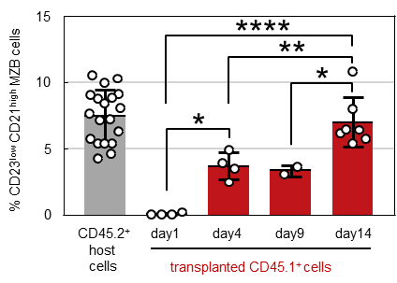
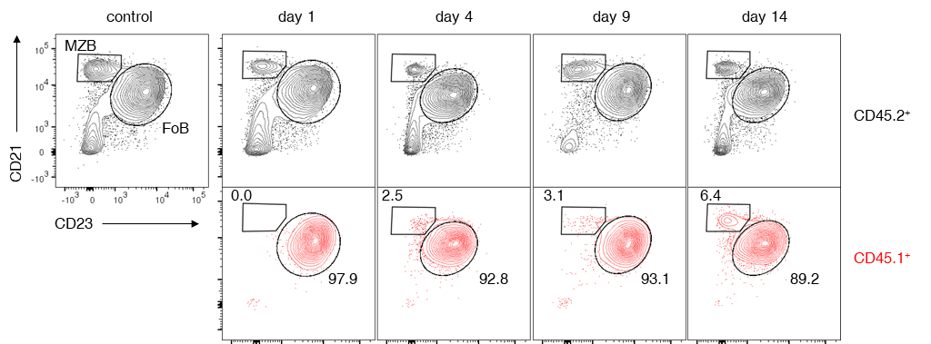
 | CD45.2 | CD45.1 |  |  |  | Figure 6c |  |  |  |  | Figure 6a
 |  | day 1 | day 4 | day 9 | day 14
 | 10.3 | 0.2 | 3.92 | 3.05 | 7.98
 | 8.1 | 0.051 | 2.47 | 3.67 | 10.8
 | 4.61 | 0 | 4.89 |  | 6.42
 | 5.37 | 0 | 3.49 |  | 6.16
 | 6.27 |  |  |  | 6.49
 | 5.42 |  |  |  | 5.76
 | 4.25 |  |  |  | 5.35
 | 9.12
 | 10.5
 | 8.85
 | 8.82
 | 5.72
 | 5.36
 | 9.04
 | 7.65 |  |  |  |  | STATISTICS
 | 8.42
 | 9.97 |  |  |  |  | ordinary one-way ANOVA
 | 7.16 |  |  |  |  | Tukey's multiple comparisons test (only within CD45.1 fractions)
 | 7.21

mean | 7.48 | 0.06 | 3.69 | 3.36 | 6.99 | d1 vs d4 | * | p= | 0.01113373 | 1.1E-02
SD | 1.97 | 0.09 | 1.00 | 0.44 | 1.87 | d1 vs d14 | **** | p= | 0.00001023 | 1.0E-05
 |  |  |  |  |  | d4 vs d14 | ** | p= | 0.00929857 | 9.3E-03
 |  |  |  |  |  | d9 vs d14 | * | p= | 0.02487438 | 2.5E-02
 | Numbers in red represent percentages in Figure 6a

Fig 7A
% CD21+ IgM+ cells |  |  |  |  | STATISTICS

 |  |  |  |  | ordinary one-way ANOVA
CD45.2 | day 1 | day 4 | day 9 | day 14 | Tukey's multiple comparisons test (only within CD45.1 fractions)
 | 4.71 | 4.29 | 11.3 | 5.34 |  |  | Figure 7a
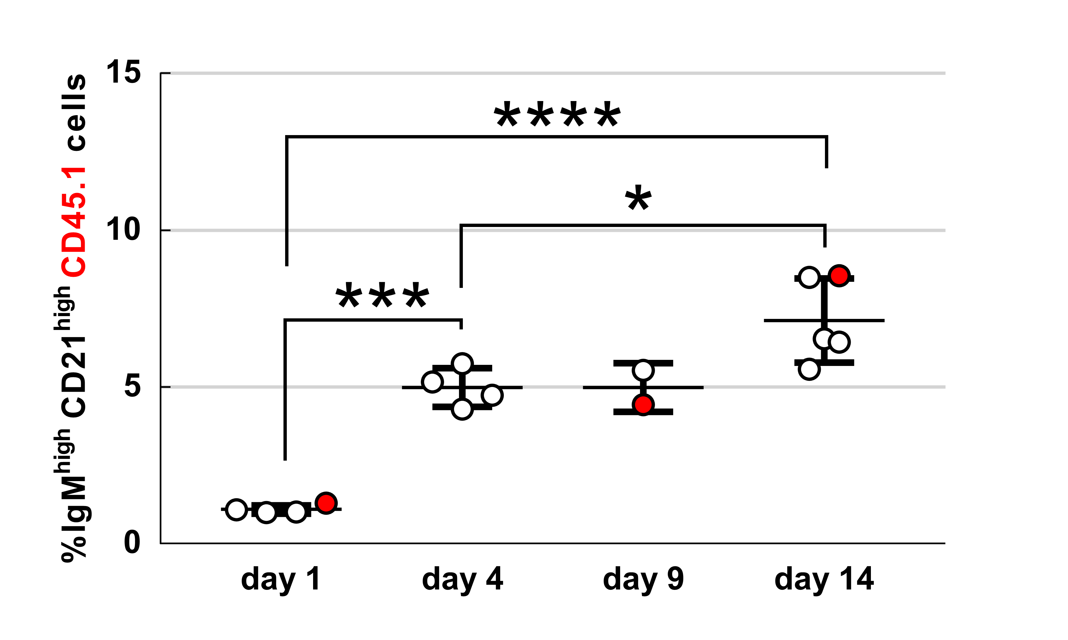
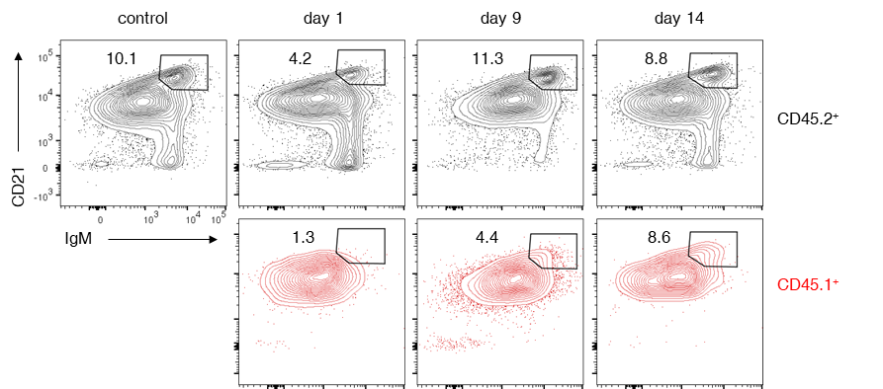
 | 5.7 | 3.51 | 12.5 | 5.44
 | 4.62 | 10.7 |  | 8.77
 | 4.23 | 7.82 |  | 9.66
 |  |  |  | 9.58

mean | 4.82 | 6.58 | 11.90 | 7.76
SD | 0.63 | 3.33 | 0.85 | 2.19

CD45.1 | day 1 | day 4 | day 9 | day 14
 | 1.02 | 4.73 | 4.43 | 6.53
 | 0.99 | 4.29 | 5.53 | 6.44
 | 1.08 | 5.74 |  | 8.55
 | 1.29 | 5.17 |  | 8.5
 |  |  |  | 5.56

mean | 1.10 | 4.98 | 4.98 | 7.12 |  | red circles represent percentages in Figure 7a
SD | 0.14 | 0.62 | 0.78 | 1.34

Numbers in red represent percentages in Figure 7a

SFig 2A
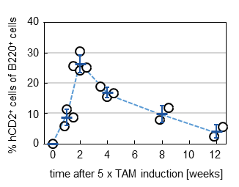

weeks | % hCD2pos cells |  |  |  | mean | SD
0 | 0 |  |  |  | 0.00
1 | 8.71 | 5.93 | 11.4 |  | 8.68 | 2.74
2 | 25.5 | 30.5 | 24.1 | 25 | 26.28 | 2.88
3
4 | 15.4 | 16.7 | 18.7 |  | 16.93 | 1.66
5
6
7
8 | 7.82 | 11.7 |  |  | 9.76 | 2.74
9
10
11
12 | 5.5 | 2.46 |  |  | 3.98 | 2.15

SFig 2D
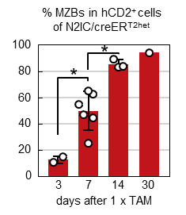
days | 3 | 7 | 14 | 30
 | 10.60 | 47.00 | 89.00 | 94.00
 | 14.80 | 62.40 | 83.30
 |  | 65.00 | 83.90
 |  | 24.80
 |  | 44.50
 |  | 54.40

mean | 12.70 | 49.68 | 85.40 | 94.00
SD | 2.97 | 14.64 | 3.13

STATISTICS

ordinary one-way ANOVA
Tukey's multiple comparisons test

3 vs 7 |  | * | p= | 0.02000
7 vs 14 |  | * | p= | 0.01110

SFig 3C
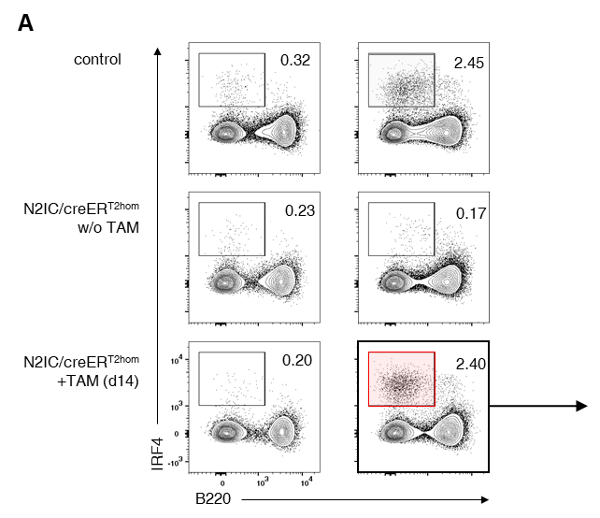
 | UI |  |  |  | mean | SD
control | 0.2 | 0.32 | 0.15 | 0.46 | 0.28 | 0.14
N2IC/creERT2 w/o TAM | 0.07 | 0.23 | 0.58 | 0.12 | 0.25 | 0.23
N2IC/creERT2 + TAM | 0.2 | 0.48 | 0.24 |  | 0.31 | 0.15

 | LPS
control | 2.25 | 2.45 | 1.46 | 2.67 | 2.21 | 0.53
N2IC/creERT2 w/o TAM | 0.38 | 0.17 | 0.24 | 0.28 | 0.27 | 0.09
N2IC/creERT2 + TAM | 2.4 | 1.62 | 4.32 |  | 2.78 | 1.39

Numbers in red represent percentages from SupplFig 3a
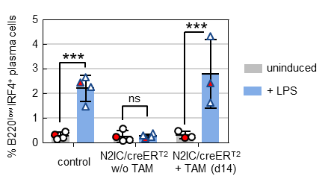
SupplFig 3c

red symbols represent percentages in SupplFig 3a

STATISTICS

2way ANOVA
Sidak´s multiple comparisons test

ctrl UI vs LPS |  | **** | p= | 0.000501 |  | 5.0E-04
N2IC w/o UI vs LPS |  | ns | p= | 0.999958 |  | 1.0E+00
N2IC +TAM UI vs LPS |  | *** | p= | 0.000167 |  | 1.7E-04

SFig 6C
percentages of splenic CD45.1+ B cells |  |  |  |  | SupplFig 6c

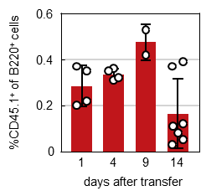
days | 1 | 4 | 9 | 14
 | 0.37 | 0.36 | 0.53 | 0.051
 | 0.35 | 0.31 | 0.42 | 0.03
 | 0.2 | 0.35 |  | 0.37
 | 0.22 | 0.32 |  | 0.39
 |  |  |  | 0.083
 |  |  |  | 0.12
 |  |  |  | 0.11

mean | 0.29 | 0.34 | 0.48 | 0.16
SD | 0.09 | 0.02 | 0.08 | 0.15

SFig 7
MFIs Notch2 surface expression |  |  |  |  |  |  | SupplFig 7
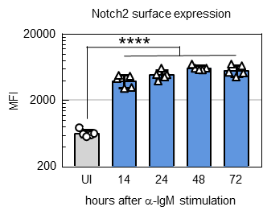

 |  | hours after a-IgM stimulation
 | UI | 14 | 24 | 48 | 72
 | 613 | 4176 | 4878 | 6018 | 4416
 | 765 | 4660 | 4479 | 6055 | 5103
 | 609 | 4746 | 6055 | 7030 | 5213
 | 571 | 3127 | 3893 | 5824 | 6559
 | 634 | 3006 | 4848 | 5737 | 6972

mean | 638 | 3943 | 4831 | 6133 | 5653
SD | 74 | 830 | 791 | 519 | 1071

STATISTICS

ordinary one-way ANOVA of logarithmized MFI values
Tukey's multiple comparisons test

 |  | UI vs. 14 |  | **** | p= | 0.000000000000872 |  | 8.72E-13
 |  | UI vs. 24 |  | **** | p= | 0.000000000000117 |  | 1.17E-13
 |  | UI vs. 48 |  | **** | p= | 0.000000000000035 |  | 3.5E-14
 |  | UI vs. 72 |  | **** | p= | 0.000000000000048 |  | 4.8E-14

